List1
Type of Dosimeter | Flow | Running hours | Range | Availability | Made | Exposition pathway | Type of the track detector | Picture
ALGADE | 4 L/h | 10 h | 47 - 2840 Bq.m-3 | Available | France | Foil (RnDP inhalation), TLD (external gamma irradiation), Filter (ingestion of radionuclides dissolved from aerosols) | LR-115 | 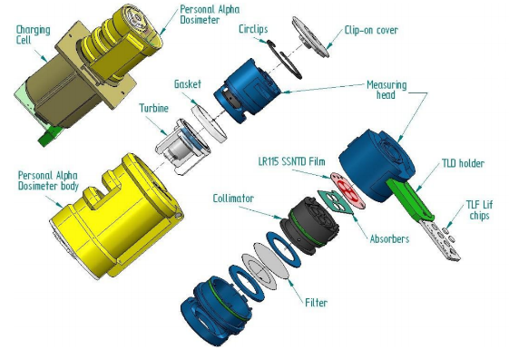
EEAC Integral Monitor | 5 L/h x 15 L/h | 16 h | 1 - 300 kBq·h·m-3 | Available | Czech Republic | Foil (RnDP inhalation), Filter (ingestion of radionuclides dissolved from aerosols) | LR-115 | 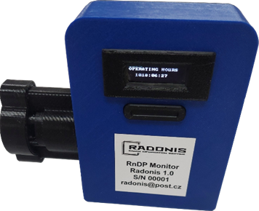
OD 88a | 4 L/h | 16 h | 47 – 2746 Bq.m-3 | Unavailable | Czech Republic | Foil (RnDP inhalation), Filter (ingestion of radionuclides dissolved from aerosols) | LR-115 | 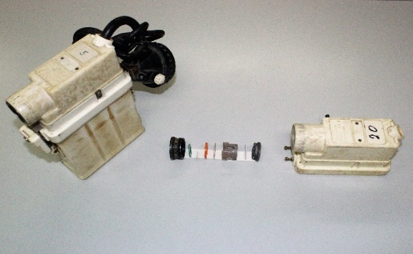
DOSEman PRO – Radon Daughter Product Exposimeter / Dosimeter | 10.8 L/h | 48 h |  | Available | Germany | Si Detector (RnDP inhalation) | Si detector | 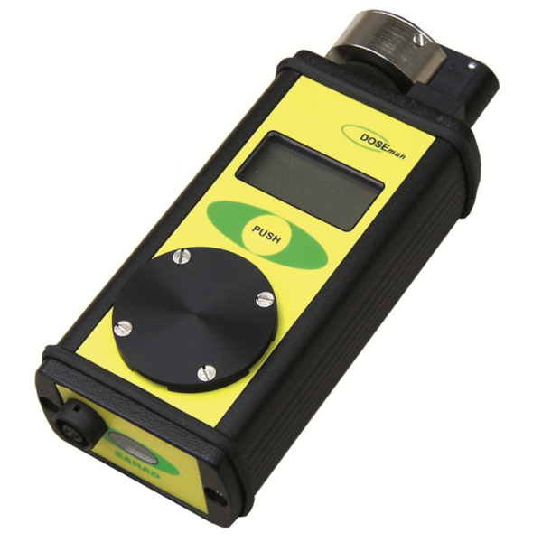
DOSEman: Personal radon Exposimeter/Dosimeter | diffuse | 12 days | 0-4 MBq.m-3 | Available | Germany | Si Detector (Radon inhalation) | Spectotometric detection chamber | 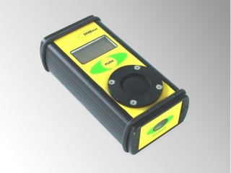
Leasing | AlphaE - Professional radon measuring device | diffuse | 6 month | 20 Bq.m-3 -10 MBq.m-3 | Available | France | Si Detector (Radon inhalation) | Diffusion chamber | 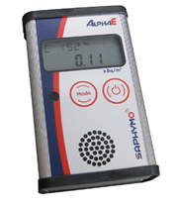
ALTRAC | diffuse | 3-6 month |  | Available | Germany | Foil | CR-39 | 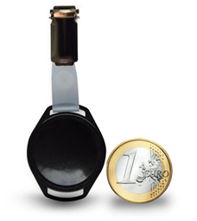
Radtrak2 | diffuse | 90 days | 15-25000Bq.m-3 (for 3 month), exposure 90-365 days | Available | Sweden | Foil | Makrofol | 